Sheet1
Bug Title | Inventory → Operations → Lot Generation - Wastage weight calculated as -286.125 g (should be positive) and Submit fails with HTTP 500
Steps to Reproduce | 1. Login as admin (Business Unit: Cochin) 2. Navigate to: Inventory → Operations → Lot Generation 3. Click Add (new record) 4. Lot Configuration: Item Type = Metal, Stock Source Type = Inward, From Transaction Type = Metal Inward, Vendor = RAJA 5. In Pending Inward Stock, tick inward M293 (Gold, Ring, Gold,Ring-Tendulkar, purity 91.60 (22 Karat Gold), 1 pc, gross 350.000 g) 6. In Assignment, select Employee = Ubaid and Business Unit = Cochin 7. Click Add To Lot (item appears in Lot Details: 1 pc, 350.000 g) 8. Click Submit
Actual Result | Toast "Error - Something went wrong." appears and the lot is not saved. The request POST /sioniq/LotGeneration/CreateLotGeneration returns HTTP 500 {"errorCode":1002,"error":"Something went wrong."}. The request payload sent by the screen carries wastagePercentage = 97, tunchPercentage = 5, pureWeightTran = 34.475 and wastageWeightTran = -286.125 for a 350.000 g item of purity 91.60. None of these values are visible on the screen. Reproduced with inward M291 (60.000 g, vendor RAJA) as well; also seen on 19-09-2026 on stone and purchase-return lots (3 chains).
Expected Result | Wastage weight must be positive (0 <= wastage weight <= gross weight); it can never be negative. For a 350.000 g item of purity 91.60 the pure weight should be about 320.600 g, not 34.475 g, and the wastage/tunch percentages should follow the vendor wastage configuration for RAJA / Gold,Ring-Tendulkar. The lot should save successfully and show its lot number. If the weights are invalid the server should return a validation message, not an HTTP 500.
Screenshot
 | Lot Generation

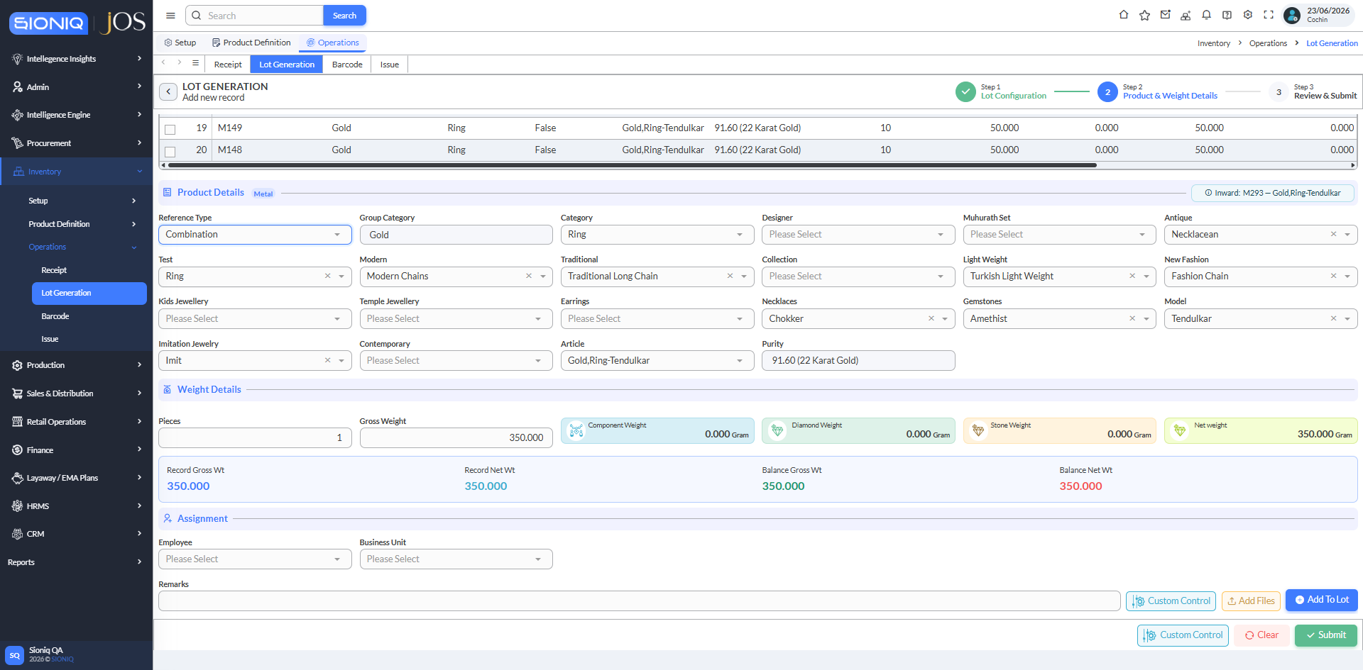

 | Pending Inward Stock: inward M293 selected (1 pc, 350.000 g, purity 91.60)

 | Lot Generation



 | Product & Weight Details after selecting the inward - no wastage/tunch field is shown to the user

 | Lot Generation

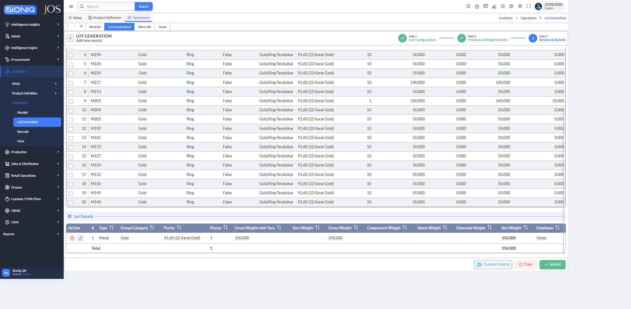

 | Item added to Lot Details (1 pc, 350.000 g, Employee Ubaid), ready to Submit

 | Lot Generation

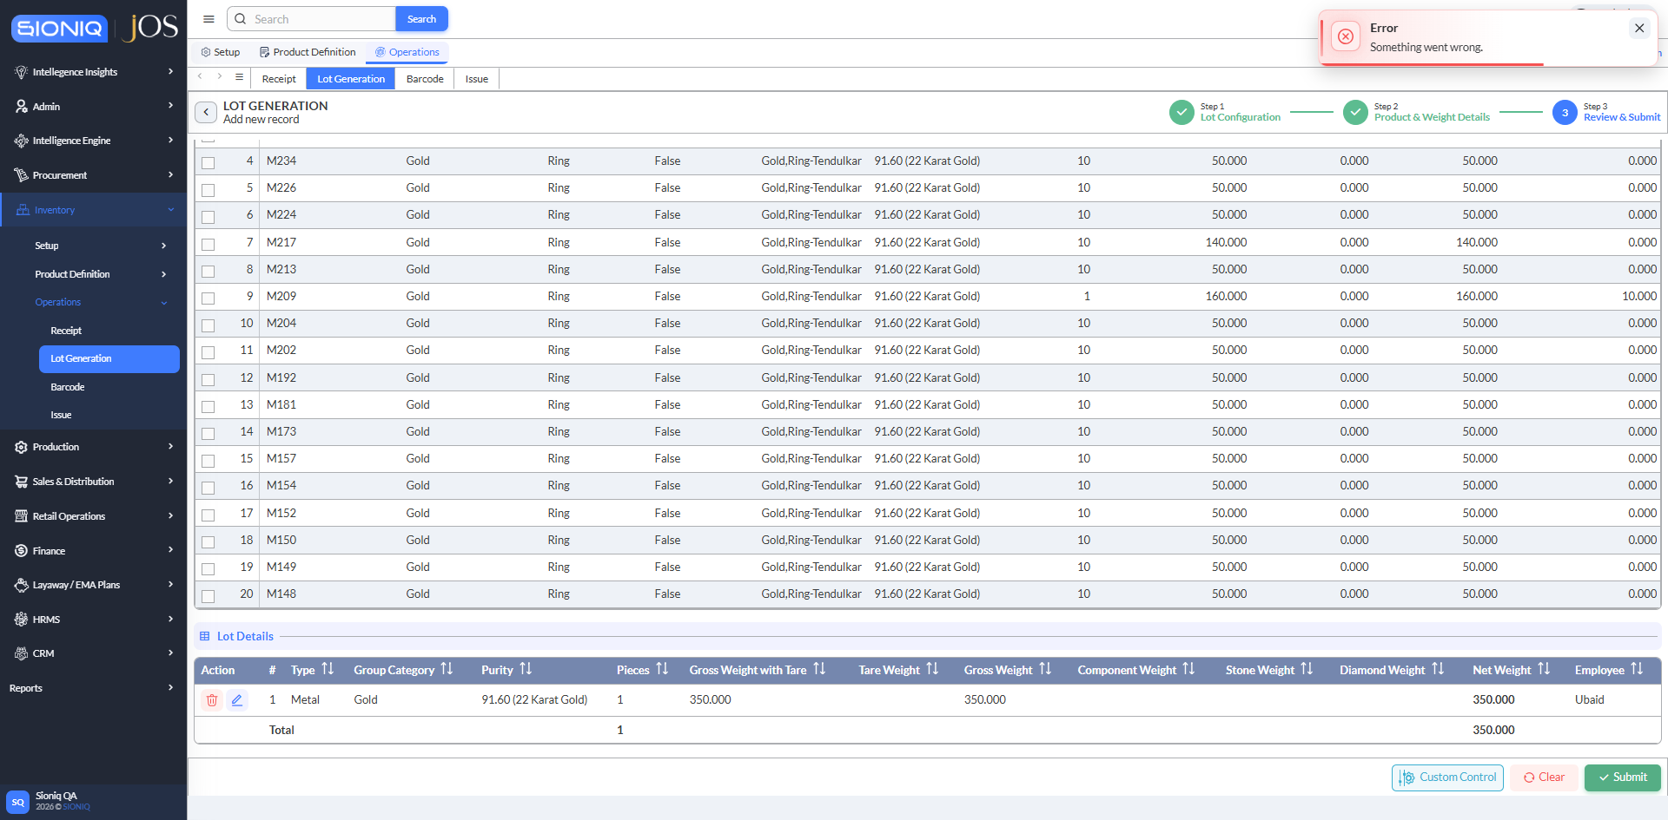

 | After Submit: toast "Error - Something went wrong." (HTTP 500)

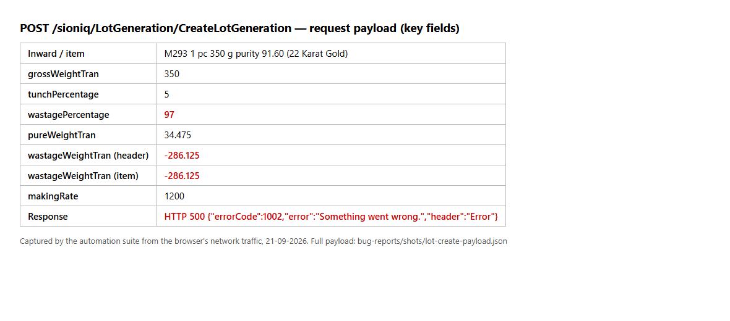

 | Key fields of the CreateLotGeneration request captured from the browser: wastagePercentage 97, tunchPercentage 5, wastageWeightTran -286.125, response HTTP 500

